Site Details


SITE AUDIT RESULTS

SITE ID

WU0903

Site Name

WU0903-Ziwa_Sirikwa_OUTD_MGF

Site Type : | Green Field

Site Owner: | Safaricom

Tower Height: | 60M

Audit Date : | 5-Aug-19

 | AUDITED BY

PanoramicPhotos(Landscape)
WU0903 | Ziwa_Sirikwa_OUTD_MGF |  | PANORAMIC PHOTOS

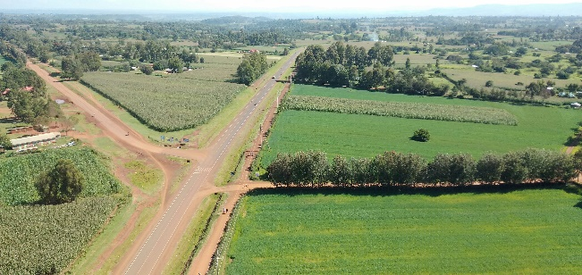 |  | 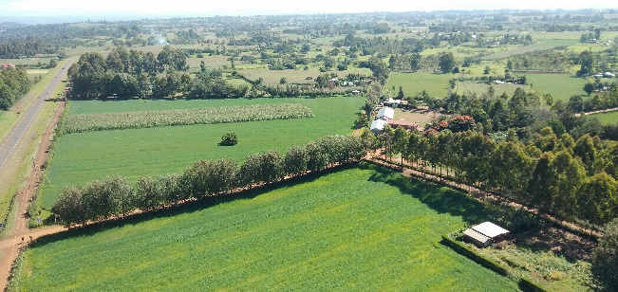 | 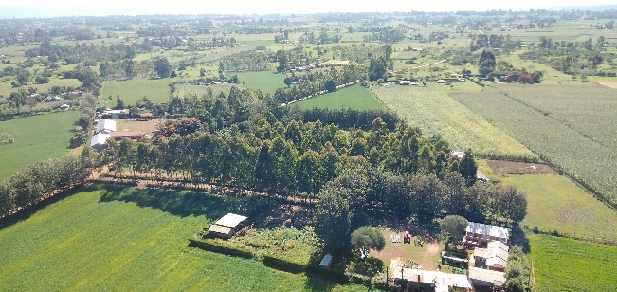

O degrees |  | 30 degrees | 60 degrees
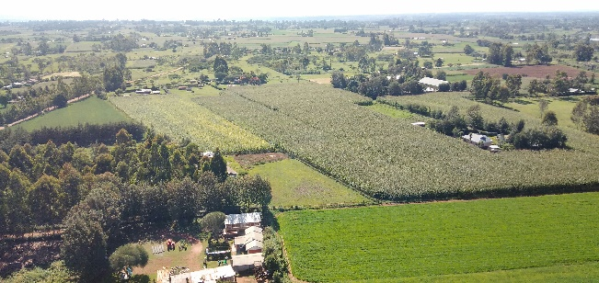 |  | 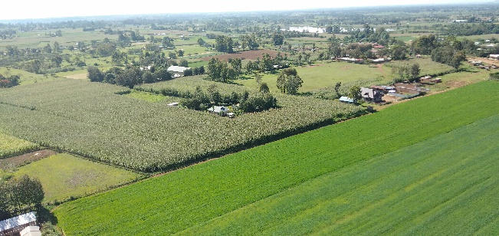 | 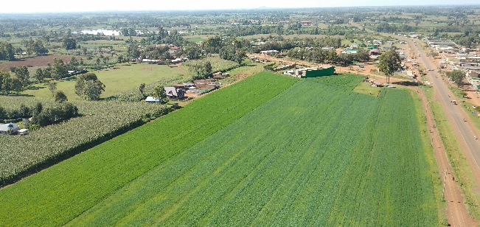

90 degrees |  | 120 degrees | 150 degrees
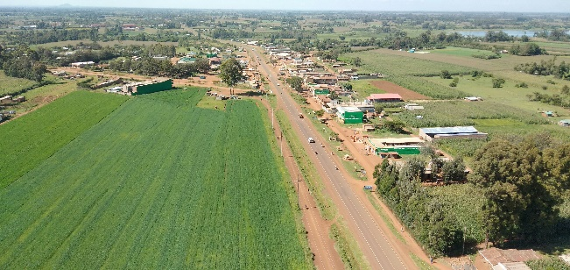 |  | 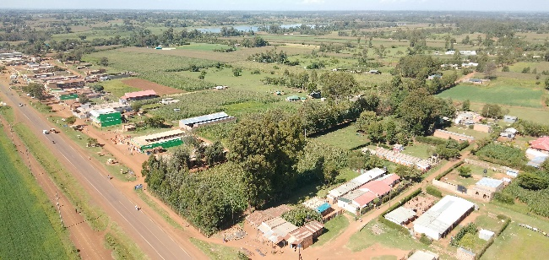 | 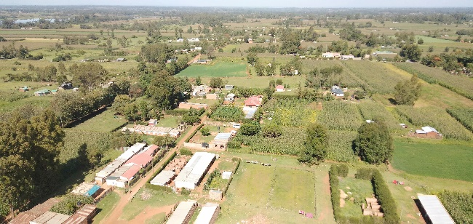

180 degrees |  | 210 degrees | 240 degrees
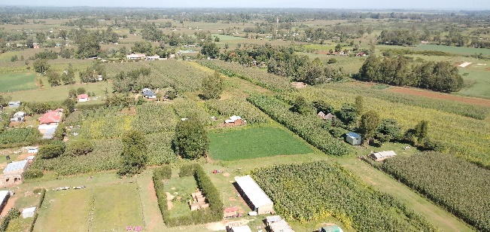 |  | 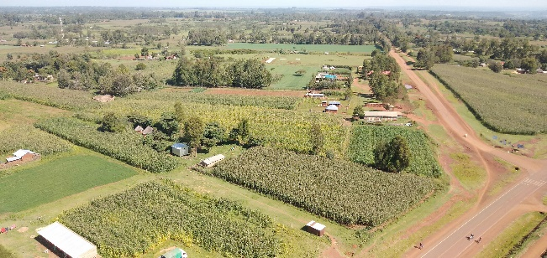 | 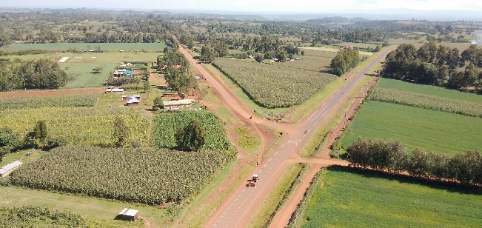

270 degrees |  | 300 degrees | 330 degrees

OtherSite Photos
WU0903 | Ziwa_Sirikwa_OUTD_MGF |  | OTHER SITE PHOTOS

 |  |  |  | 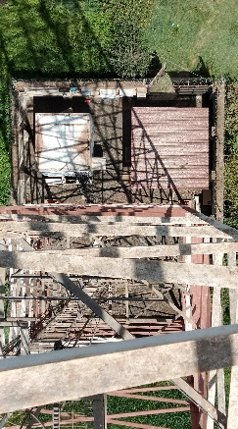

Complete Tower |  | Tower Loading |  | Within Site perimeter

Systems Module |  | Shows transmission Cabinets Open |  | Shows power

Shows Cabinet closed |  | Shows Battery cabinet |  | Shows Site Entrance

Shows Generator |  | Shows Grounding |  | Shows Engineers on Site

